Sheet1
Defect Report |  | Defect Report |  | Defect Report |  | Defect Report |  | Defect Report |  | Defect Report |  | Defect Report |  | Defect Report |  | Defect Report |  | Defect Report |  | Defect Report |  | Defect Report |  | Defect Report |  | Defect Report |  | Defect Report |  | Defect Report |  | Defect Report |  | Defect Report |  | Defect Report |  | Defect Report |  | Defect Report |  | Defect Report |  | Defect Report |  | Defect Report
Version | V.4 | Version | V.4 | Version | V.3 | Version | V.3 | Version | V.4 | Version | V.4 | Version | V.4 | Version | V.4 | Version | V.4 | Version | V.4 | Version | V.4 | Version | V.4 | Version | V.4 | Version | V.4 | Version | V.4 | Version | V.4 | Version | V.4 | Version | V.4 | Version | V.4 | Version | V.4 | Version | V.4 | Version | V.4 | Version | V.4 | Version | V.4
Test Scenario | Manger (Edit Account) | Test Scenario | Manger (Edit Account) | Test Scenario | Manger (Delete Account) | Test Scenario | Manger (Delete Account) | Test Scenario | Manger (Deposite) | Test Scenario | Manger (Deposite) | Test Scenario | Manger (Deposite) | Test Scenario | Manger (Withdrawl) | Test Scenario | Manger (Withdrawl) | Test Scenario | Manger (Withdrawl) | Test Scenario | Manger (Withdrawl) | Test Scenario | Manger (Funds transfer) | Test Scenario | Manger (Funds transfer) | Test Scenario | Manger (Funds transfer) | Test Scenario | Manger (Funds transfer) | Test Scenario | Manger (Balance Enquiry) | Test Scenario | Manger (Balance Enquiry) | Test Scenario | Manger (Mini Statement) | Test Scenario | Manger (Mini Statement) | Test Scenario | Manger (Customized Statement) | Test Scenario | Manger (Customized Statement) | Test Scenario | Manger (Customized Statement) | Test Scenario | Manger (Customized Statement) | Test Scenario | Manger (Customized Statement)
ID | 1 | ID | 3 | ID | 1 | ID | 4 | ID | 1 | ID | 2 | ID | 5 | ID | 1 | ID | 2 | ID | 7 | ID | 8 | ID | 1 | ID | 2 | ID | 3 | ID | 10 | ID | 1 | ID | 3 | ID | 1 | ID | 3 | ID | 1 | ID | 2 | ID | 3 | ID | 4 | ID | 6
Test Case | the first chracter in the"Account No" Field can not be space | Test Case | when click on submit the system redirected to a form after submitting | Test Case | the first chracter in the"Account No" Field can not be space | Test Case | when click on submit the Account is deleted and the system is redirected to home page | Test Case | the first chracter in the"Account No" Field can not be space | Test Case | the first chracter in the"Amount Deposit" Field can not be space | Test Case | when click on submit the system show aform of the deposite | Test Case | the first chracter in the"Account No" Field can not be space | Test Case | the first chracter in the"Amount " Field can not be space | Test Case | the mini statement must show the withdrawl money | Test Case | the balance enquiry must show the withdrawl money | Test Case | the first chracter in the"Source Account No" Field can not be space | Test Case | the first chracter in the"Destination Account No" Field can not be space | Test Case | the first chracter in the"Amount" Field can not be space | Test Case | the system must not show the funds transfer in the customized statement | Test Case | the first chracter in the"Account No" Field can not be space | Test Case | when click on submit the system show the Balannc | Test Case | the first chracter in the"Account No" Field can not be space | Test Case | when click on submit the system show Last 5 Transaction of the account | Test Case | the first chracter in the"Account No" Field can not be space | Test Case | "From Date" Must Less than "To Date" | Test Case | the first chracter in the"Minimum Transaction Value" Field can not be space | Test Case | the first chracter in the"Number of Transaction" Field can not be space | Test Case | when click on submit the system show a form of the Customized statement
Test Steps | 1- keep the first character in the "Account No" field be a space 2- Move to the next Field | Test Steps | 1-Enter Account No correctly 2-Click on submit | Test Steps | 1- keep the first character in the "Account No" field be a space 2- Move to the next Field | Test Steps | 1-Enter Account No correctly 2-Click on submit | Test Steps | 1- keep the first character in the "Account No" field be a space 2- Move to the next Field | Test Steps | 1- keep the first character in the "Amount Deposit" field be a space 2- Move to the next Field | Test Steps | 1-Enter Account No correctly 2-Click on submit | Test Steps | 1- keep the first character in the "Account No" field be a space 2- Move to the next Field | Test Steps | 1- keep the first character in the "Amount " field be a space 2- Move to the next Field | Test Steps | 1-go to mini statement page 2-Enter Account No correctly 3-Click on submit | Test Steps | 1-go to Balance Enquiryt page 2-Enter Account No correctly 3-Click on submitt | Test Steps | 1- keep the first character in the "Source Account No" field be a space 2- Move to the next Field | Test Steps | 1- keep the first character in the "Destination Account No" field be a space 2- Move to the next Field | Test Steps | 1- keep the first character in the "Amount" field be a space 2- Move to the next Field | Test Steps | 1-go to customized statement page 2-fill all the required fields 3-Click on submit | Test Steps | 1- keep the first character in the "Account No" field be a space 2- Move to the next Field | Test Steps | 1-Enter Account No correctly 2-Click on submit | Test Steps | 1- keep the first character in the "Account No" field be a space 2- Move to the next Field | Test Steps | 1-Enter Account No correctly 2-Click on submit | Test Steps | 1- keep the first character in the "Account No" field be a space 2- Move to the next Field | Test Steps | 1-Enter from date greater than to date 2- enter other fields corectly 3-Click on submit | Test Steps | 1- keep the first character in the "Minimum Transaction Value" field be a space 2- Move to the next Field | Test Steps | 1- keep the first character in the "Number of Transactione" field be a space 2- Move to the next Field | Test Steps | 1-Enter Account No correctly 2-Click on submit
Expected Result | the system show an error that (the first character in "Account No" field can not be space) | Expected Result | the system redirected to a form after submitting | Expected Result | the system show an error that (the first character in "Account No" field can not be space) | Expected Result | the account deleted and the system is redirected to home page | Expected Result | the system show an error that (the first character in "Account No" field can not be space) | Expected Result | the system show an error that (the first character in "Amount Deposit" field can not be space) | Expected Result | the deposite is done and show a form of the deposite | Expected Result | the system show an error that (the first character in "Account No" field can not be space) | Expected Result | the system show an error that (the first character in "Amount Deposit" field can not be space) | Expected Result | the system show the withdrawl money in the mini statement | Expected Result | the system show the withdrawl money in the balance enquiry | Expected Result | the system show an error that (the first character in "Source Account No" field can not be space) | Expected Result | the system show an error that (the first character in "Destination Account No" field can not be space) | Expected Result | the system show an error that (the first character in "Amount" field can not be space) | Expected Result | the funds transfer show in the customized statement | Expected Result | the system show an error that (the first character in "Account No" field can not be space) | Expected Result | the system show aform of the Balance | Expected Result | the system show an error that (the first character in "Account No" field can not be space) | Expected Result | the system show Last 5 Transaction of the account | Expected Result | the system show an error that (the first character in "Account No" field can not be space) | Expected Result | the system show an error that ("From Date" Must Less than "To Date") | Expected Result | the system show an error that (the first character in "Minimum Transaction Value" field can not be space) | Expected Result | the system show an error that (the first character in "Number of Transaction" field can not be space) | Expected Result | the system show aform of the Customized statement
Actual Result | the system don't show any error | Actual Result | Connection error | Actual Result | the system don't show any error | Actual Result | Connection Error | Actual Result | the system don't show any error | Actual Result | the system don't show any error | Actual Result | Connection Error | Actual Result | the system don't show any error | Actual Result | the system don't show any error | Actual Result | Connection error | Actual Result | Connection Error | Actual Result | the system don't show any error | Actual Result | the system don't show any error | Actual Result | the system don't show any error | Actual Result | Connection Error | Actual Result | the system don't show any error | Actual Result | Connection error | Actual Result | the system don't show any error | Actual Result | Connection Error | Actual Result | the system don't show any error | Actual Result | the system don't show any error | Actual Result | the system don't show any error | Actual Result | the system don't show any error | Actual Result | Connection Error
Screen Shoot / video | 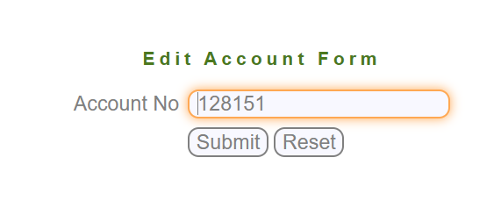 | Screen Shoot / video | 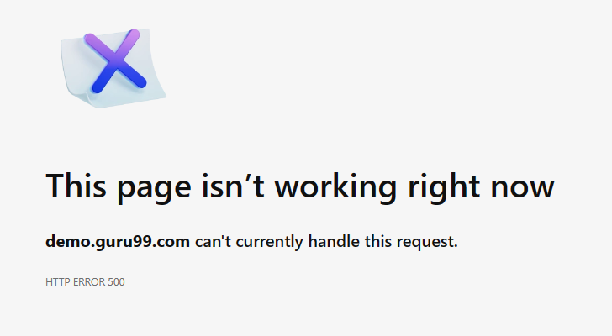 | Screen Shoot / video |  | Screen Shoot / video | 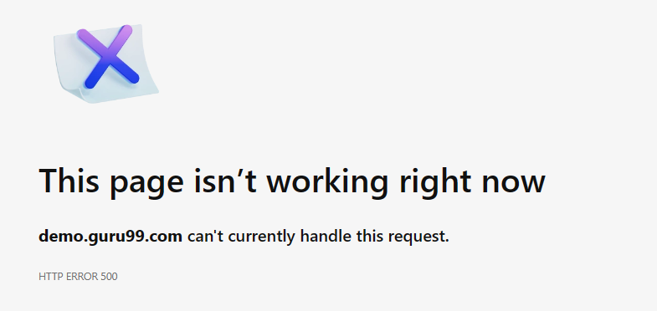 | Screen Shoot / video | 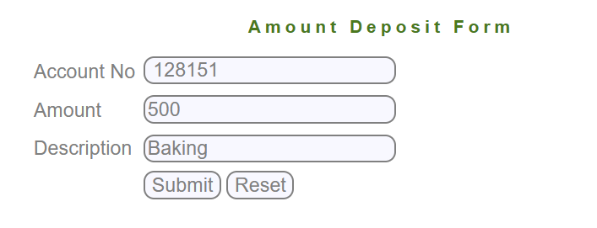 | Screen Shoot / video | 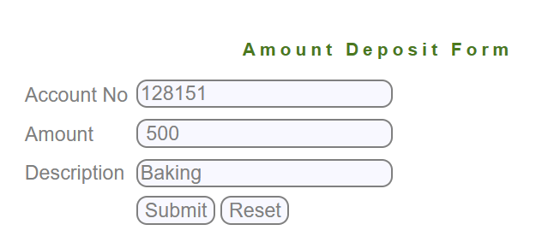 | Screen Shoot / video |  | Screen Shoot / video | 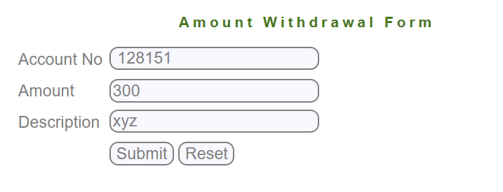 | Screen Shoot / video | 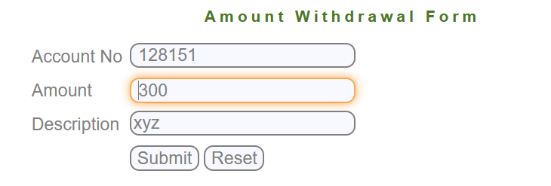 | Screen Shoot / video |  | Screen Shoot / video |  | Screen Shoot / video | 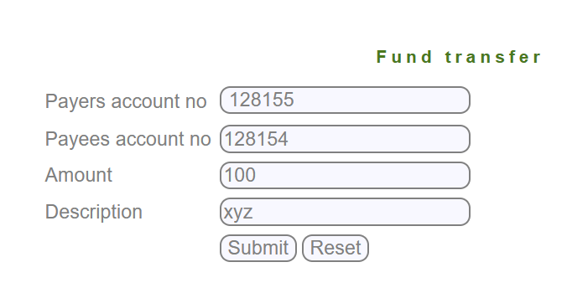 | Screen Shoot / video |  | Screen Shoot / video | 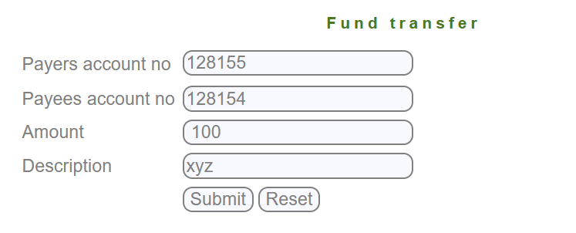 | Screen Shoot / video |  | Screen Shoot / video |  | Screen Shoot / video |  | Screen Shoot / video |  | Screen Shoot / video |  | Screen Shoot / video | 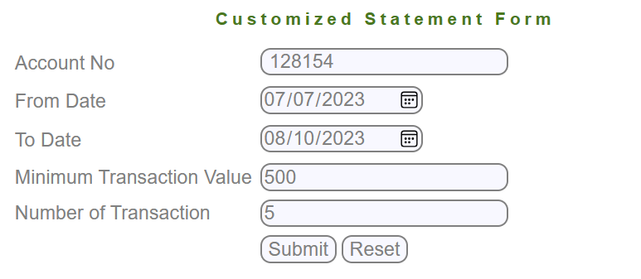 | Screen Shoot / video | 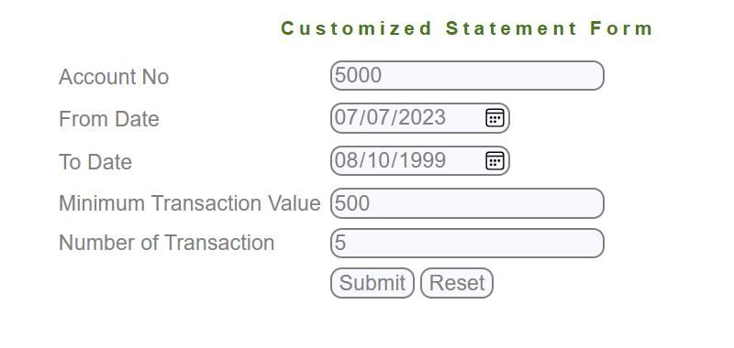 | Screen Shoot / video | 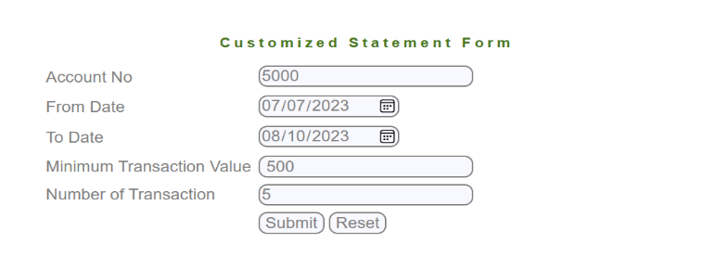 | Screen Shoot / video | 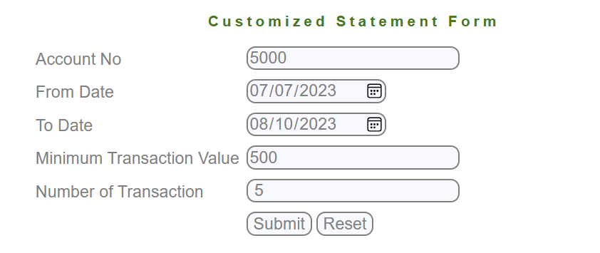 | Screen Shoot / video
Piriority | Medium | Piriority | Medium | Piriority | Medium | Piriority | High | Piriority | Medium | Piriority | Medium | Piriority | High | Piriority | Medium | Piriority | Medium | Piriority | High | Piriority | High | Piriority | Medium | Piriority | Medium | Piriority | Medium | Piriority | High | Piriority | Medium | Piriority | High | Piriority | Medium | Piriority | High | Piriority | Medium | Piriority | High | Piriority | Medium | Piriority | Medium | Piriority | High

